Hiearchy View
CLASS: STORAGE
space available for storing something, in particular allocated space in a warehouse. |  | 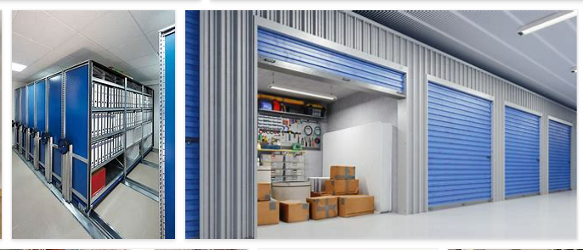
REMOVE | N

PROBLEM_DESC | CAUSE_DESC | REMEDY_DESC
BROKEN/DAMAGED
LEAKING
LIGHTING
OTHER PROBLEM
PESTS
POWER-ELEC
STOPPED/SLOWED/POOR OPS
TEMP-CTRL
VIBRATION
Grand Total

